Dashboard
PATFRANK SALES DASHBOARD

TOTAL ORDER
QUANTITY SOLD
TOTAL REVENUE
AVERAGE REVENUE
2000
5552
₦2.45 M
₦1.23 K
AVG MONTH
₦204.34 K
Aug vs Jul
Aug vs Jul
vs Jul
Aug vs Jul
Revenue by Month
 | Total
Jan | ₦168.68 K
Feb | ₦173.61 K
Mar | ₦236.74 K
Apr | ₦241.03 K
May | ₦153.64 K
Jun | ₦258.66 K
Jul | ₦150.71 K
Aug | ₦185.32 K
Sep | ₦233.08 K
Oct | ₦189.72 K
Nov | ₦274.37 K
Dec | ₦186.52 K
Revenue by Customer Type
 | Total
New | ₦768.76 K
Returning | ₦1.68 M
Revenue by Product Category
Office Supplies | ₦16.64 K | ₦16.64 K
Accessories | ₦72.90 K | ₦72.90 K
Storage | ₦229.84 K | ₦229.84 K
Networking | ₦259.48 K | ₦259.48 K
Monitors | ₦526.74 K | ₦526.74 K
Computers | ₦1.35 M | ₦1.35 M

Top-Bottom 5 Products by Revenue
Ultrawide Monitor | ₦190.96 K | ₦190.96 K
All-in-One PC | ₦254.99 K | ₦254.99 K
Laptop Pro 14 | ₦263.49 K | ₦263.49 K
Laptop Air 13 | ₦273.53 K | ₦273.53 K
Gaming Laptop | ₦432.58 K | ₦432.58 K
Revenue by Region
 | Total
North | ₦561.75 K
Central | ₦556.71 K
East | ₦467.81 K
South | ₦444.49 K
West | ₦421.32 K
Revenue by Sales Channel
 | Total
Online | ₦791.54 K
Corporate Sales | ₦718.75 K
Retail Store | ₦631.40 K
Marketplace | ₦310.40 K

Formatting
 |  | count | -1% | ▼0.8%

 |  | Avg Revenue | 24% | ▲23.9%

light green | #C6FCC8 | Revenue MoM | 23% | ▲23.0%
blue | #0D54E5
Green | #118606 | Quantity | -1% | ▼0.8%
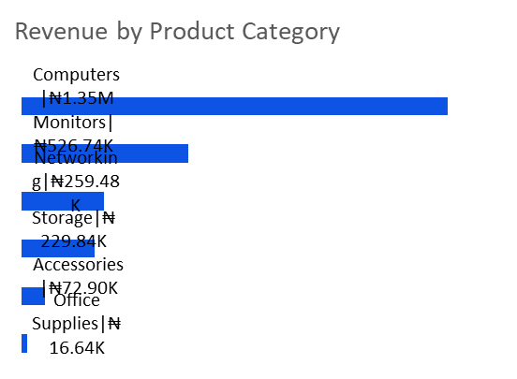
Camerl | #5A573B
 |  | ▲
 |  | ▼

